PCA Bolus ONLY
THIS CALCULATOR IS ONLY FOR A PCA (HIGH OR LOW DOSE) WITH BOLUS ORDERS ONLY
PLEASE click on the appropriate tab at the bottom if you require a different PCA order
This calculator is to assist with determing the absolute maximum limit. The maximum limit can be adjusted based
on provider discretion and patient response.
DO NOT TITRATE

Fill in the yellow areas to calculate
Max Limit
PCA Calculator for Bolus ONLY*
PCA Dose (Bolus Dose) |  | mg
PCA Lockout Interval |  | minutes
Max Limit | #DIV/0! | mg/hr
*Order must include DO NOT TITRATE in the Additional Directions. See below Examples.

PCA Nursing Policy: http://nursing.uchc.edu/nursing_standards/docs/pain_acute_continuous_opioid_infusions.pdf

Patient Controlled Analgesia Order Set (Standard PCA)
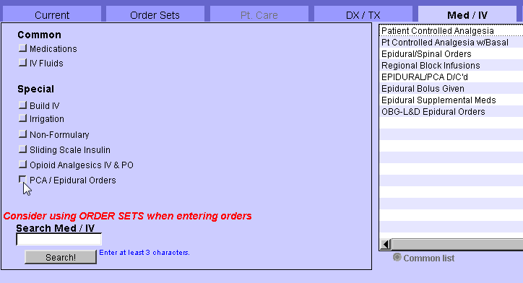

 |  |  | Sickle Cell Crisis Order Set (Opioid Tolerant, High Dose PCA)
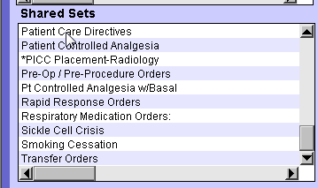

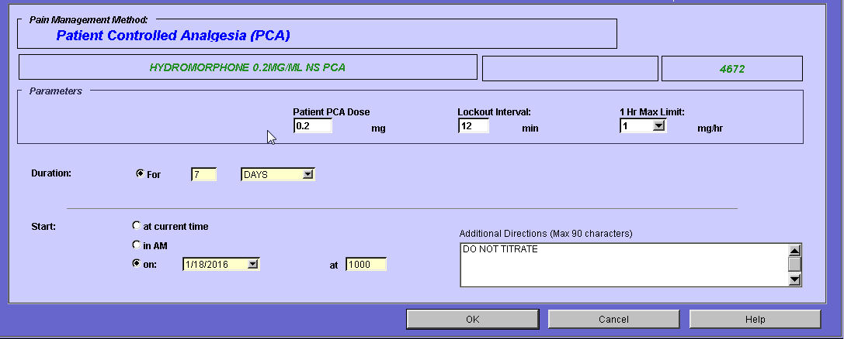
 |  |  | For Sickle Cell, Type in "Do Not Titrate" in Additional Directions. Put "0" in Starting
 |  |  | Cont Dose (Basal) and Cont Dose Adjustment Increm as not to titrate.
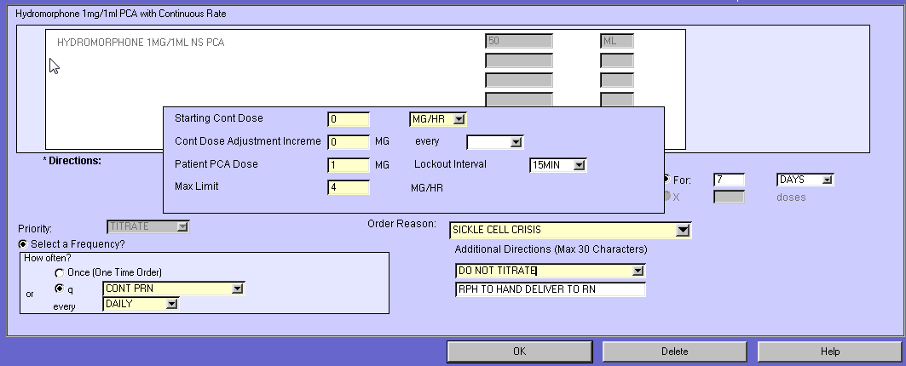

PCA for Basal & Bolus ONLY
THIS CALCULATOR IS ONLY FOR A PCA (HIGH OR LOW DOSE) WITH BASAL & BOLUS ORDERS ONLY
PLEASE click on the appropriate tab at the bottom if you require a different PCA order
This calculator is to assist with determing the absolute maximum limit. The maximum limit can be adjusted based
on provider discretion and patient response.
DO NOT TITRATE

Fill in the yellow areas to calculate Max Limit
PCA Calculator for Basal & Bolus ONLY
Rate (Basal Dose) |  | mg/hr
PCA Dose (Bolus Dose) |  | mg
PCA Lockout interval |  | minutes
Max Limit | #DIV/0! | mg/hr
*Order must include DO NOT TITRATE in the Additional Directions

PCA Nursing Policy: http://nursing.uchc.edu/nursing_standards/docs/pain_acute_continuous_opioid_infusions.pdf

Patient Controlled Analgesia Order Set w/Basal (Standard PCA) |  |  | Sickle Cell Crisis Order Set (Opioid Tolerant, High Dose PCA)

 |  |  | For Sickle Cell, Type in "Do Not Titrate" in Additional Directions. Put "0" in Cont Dose Adjustment Increme and don't pick a time interval
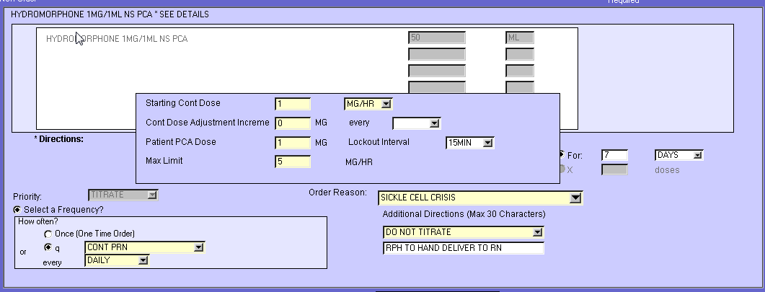

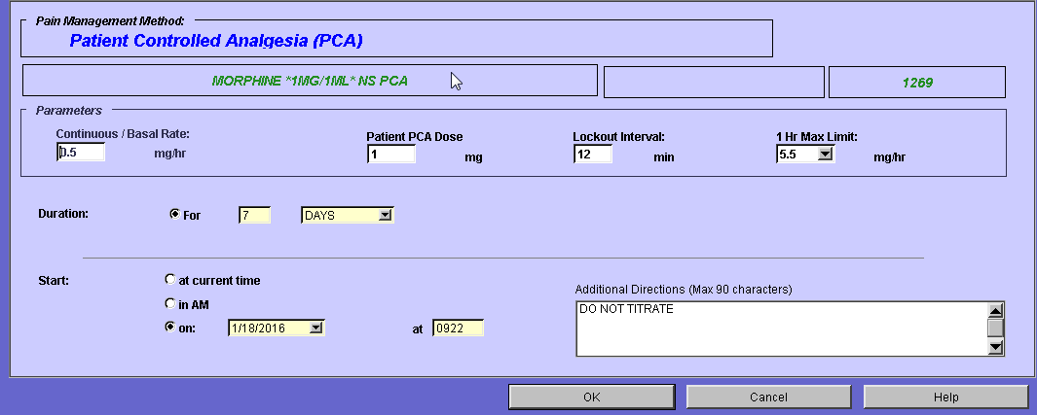

PCA to Titrate (Incr) SCC
THIS CALCULATOR IS ONLY FOR A PCA (HIGH DOSE) WITH BASAL & BOLUS & TITRATE ORDERS ONLY
PLEASE click on the appropriate tab at the bottom if you require a different PCA order
This calculator is to assist with determing the absolute maximum limit in a 24 hour time period. The maximum limit can be adjusted based
on provider discretion and patient response.
INCREASE TITRATE ORDERS

Fill in the yellow areas to calculate Max Limit
PCA Calculator for Basal & Titrate (INCREASE) & Bolus
Rate (Basal Dose) |  | mg/hr
Cont Dose Adjustment Increments* <<Titrate>> |  | mg
Cont Dose Adjustment Increment Interval* <<Titrate>> |  | minutes | {make sure this is in minutes}
PCA Dose (Bolus Dose) |  | mg
PCA Lockout Interval |  | minutes

Pick the Appropriate Max Limit dependent upon how many anticipated PCA increases in a 24 hour period. The order in CPOE should reflect at least the value in green to ensure the patient is able to obtain the Basal AND PCA Doses for a 60 minute time period AND at least one dose titration.
Below are dose titrations up
Min Limit **This is the dose needed if titrate at least once** | #DIV/0! | mg/hr
Max Increase Limit **Anticipate 2 titrations up/24hrs** | #DIV/0! | mg/hr
Max Increase Limit **Anticipate 3 titrations up/24hrs** | #DIV/0! | mg/hr
Max Increase Limit **Anticipate 4 titrations up/24hrs** | #DIV/0! | mg/hr
Max Increase Limit **Anticipate 5 titrations up/24hrs** | #DIV/0! | mg/hr
Max Increase Limit **Anticipate 6 titrations up/24hrs** | #DIV/0! | mg/hr
Max Increase Limit **Anticipate 7 titrations up/24hrs** | #DIV/0! | mg/hr
Max Increase Limit **Anticipate 8 titrations up/24hrs** | #DIV/0! | mg/hr
*Order MUST have a pain scale for increase per policy. If no dose adjustment, consult the tab for PCA for Basal & Bolus ONLY below.
See example below

Nursing Policy on Titrate PCA for Sickle Cell PCA: http://nursing.uchc.edu/nursing_standards/docs/Sickle%20Cell%20Pain.pdf

Example from Policy:

Sickle Cell Crisis Order Set (Opioid Tolerant, High Dose PCA)

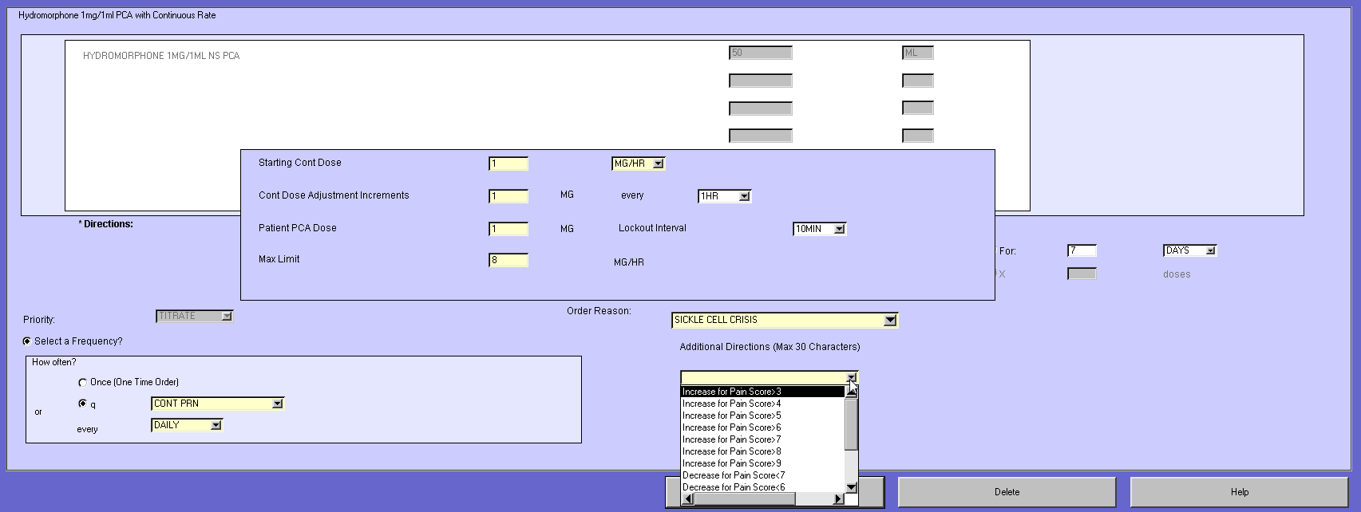

PCA to Titrate (Decr) SCC
THIS CALCULATOR IS ONLY FOR A PCA (HIGH DOSE) WITH BASAL & BOLUS & TITRATE ORDERS ONLY
PLEASE click on the appropriate tab at the bottom if you require a different PCA order
This calculator is to assist with determing the absolute maximum limit. The maximum limit can be adjusted based
on provider discretion and patient response.
DECREASE TITRATE ORDERS

Fill in the yellow areas to calculate Max Limit
PCA Calculator for Basal & Titrate (DECREASE) & Bolus
Rate (Basal Dose) |  | mg/hr
Cont Dose Adjustment Increments* <<Titrate>> |  | mg
Cont Dose Adjustment Increment Interval* <<Titrate>> |  | minutes | {make sure this is in minutes}
PCA Dose (Bolus Dose) |  | mg
PCA Lockout Interval |  | minutes

Pick the max decrease limit that gives the ability for patient to get PCA doses. The entry in green accounts for the Basal AND PCA doses for a 60 minute time period AND dose not titrated down yet.
Below are dose titrations down
Max Limit **This is the dose needed if not titrate down** | #DIV/0! | mg/hr
Max Decrease Limit **Anticipate 1 titration down/24hrs** | #DIV/0! | mg/hr
Max Decrease Limit **Anticipate 2 titrations down/24hrs** | #DIV/0! | mg/hr
Max Decrease Limit **Anticipate 3 titrations down/24hrs** | #DIV/0! | mg/hr
Max Decrease Limit **Anticipate 4 titrations down/24hrs** | #DIV/0! | mg/hr
Max Decrease Limit **Anticipate 5 titrations down/24hrs** | #DIV/0! | mg/hr
Max Decrease Limit **Anticipate 6 titrations down/24hrs** | #DIV/0! | mg/hr
Max Decrease Limit **Anticipate 7 titrations down/24hrs** | #DIV/0! | mg/hr
Max Decrease Limit **Anticipate 8 titrations down/24hrs** | #DIV/0! | mg/hr
*Order MUST have a pain scale for decrease per policy. If no dose adjustment, consult the tab for PCA for Basal & Bolus ONLY below.
See example below

Nursing Policy on Titrate PCA for Sickle Cell PCA: http://nursing.uchc.edu/nursing_standards/docs/Sickle%20Cell%20Pain.pdf

Example from Policy:

Sickle Cell Crisis Order Set (Opioid Tolerant, High Dose PCA)

